Sheet1
 |  | Document No. | Issue No. | Issue Date |  |  | Review and Replace Date |  | Authorised By
 |  | GFF249MC | 7 | 02.12.2020 |  |  | 04.06.2026 |  | Magda Shah
 |  | Document Title | 22 Onion Bhaji 660G

Document amendments reason for change |  | Film Update |  | Page 1 of 1 |  | Previous Issue Date |  | 31.12.2025 | Uncontrolled copy unless signed original

COBHC-B22X4T | GAZEBO-BOOKER |  | 22 Onion Bhaji 660G
STEP 1 |  |  |  |  | STEP 2
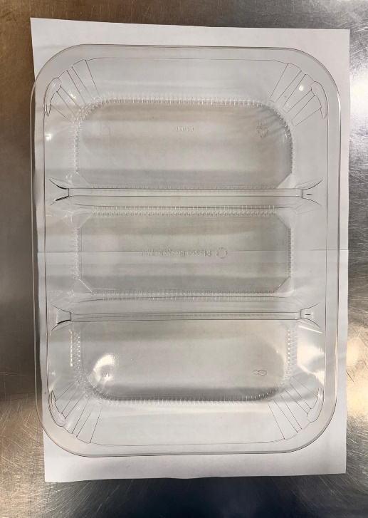 |  |  |  |  | 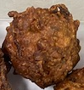

Tray:HW308/60 - 3 CAVITY TRANS - 352X246X60 - (PKESS001-10) |  |  |  |  | Onion Bhaji Cocktail 30G (Product code:RMSRI001-02): 22 Pieces (660G)
Film: 25mu Weld Seal Mono PET Film (340mm x 1000lm) (PKCLI001-04)
STEP 3
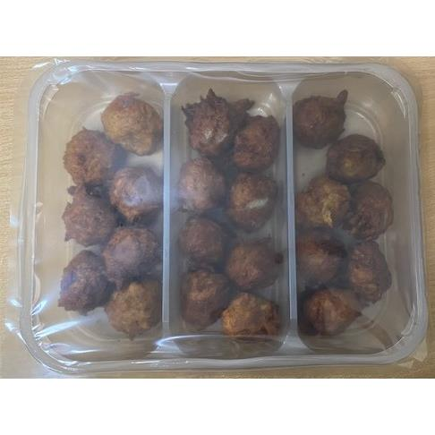

TOTAL WEIGHT: 660G

ALLERGY ALERT: None

